Tanf_Recipient_Annual
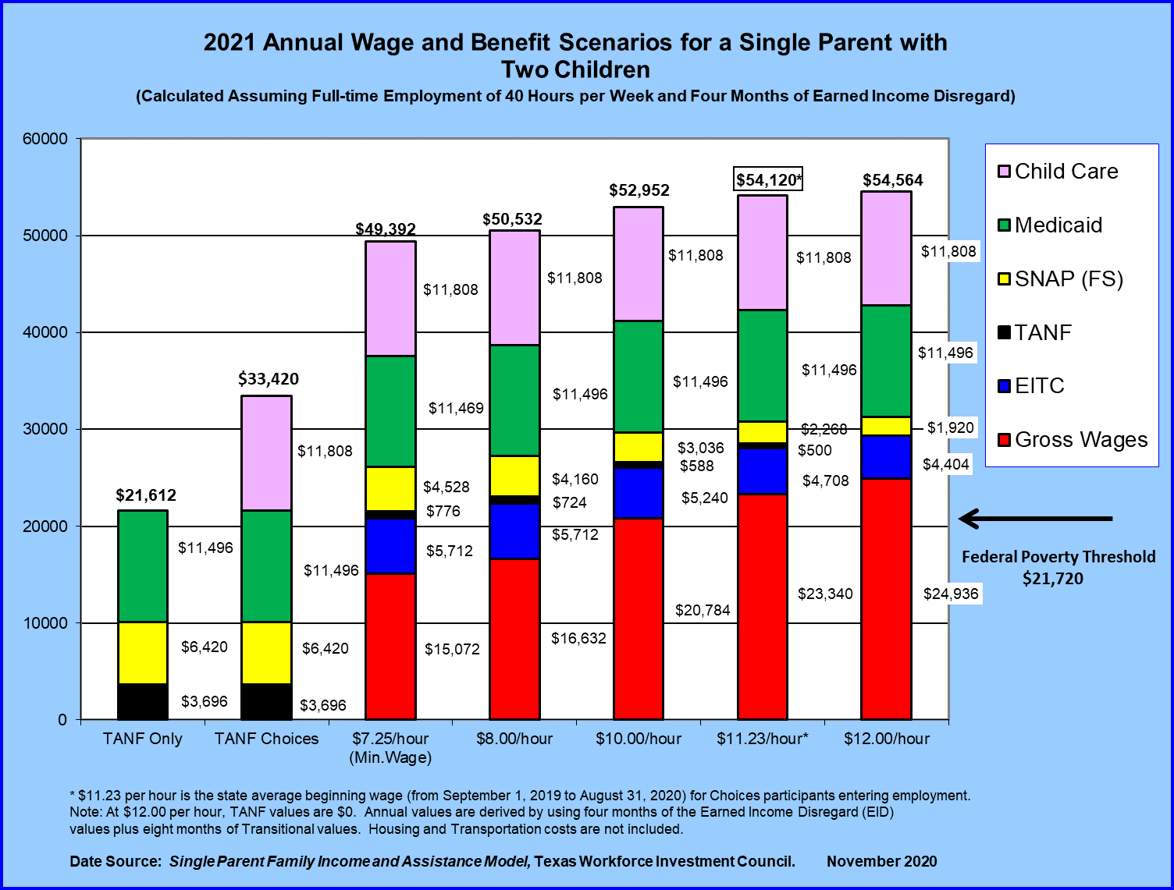

2021 TANF Recipient Annual Wage Benefit Scenario for a Single Parent with Two Children Calculated Assuming Full-Time Employment of 40 Hours per Week and 4 months of Earned Income Disregard
Tanf Recipient Annual Benefit by Hourly Wage | TANF Only | TANF Choices | $ 7.25 Hr (Min Wage) | $ 8.00 Hr | $10.00 Hr | $ 11.23 Hr | $ 12.00 Hr
Child Care | $- | $11,808 | $11,808 | $11,808 | $11,808 | $11,808 | $11,808
Medicaid | $11,496 | $11,496 | $11,496 | $11,496 | $11,496 | $11,496 | $11,496
SNAP Benefit | $6,420 | $6,420 | $4,528 | $4,160 | $3,036 | $2,268 | $1,920
TANF Benefit | $3,696 | $3,696 | $776 | $724 | $588 | $500 | $-
Earned Income Tax Credit (EITC) | $- | $- | $5,712 | $5,712 | $5,240 | $4,708 | $4,404
Gross Wages | $- | $- | $15,072 | $16,632 | $20,784 | $23,340 | $24,936
Totals | $21,612 | $33,420 | $49,392 | $50,532 | $52,952 | $54,120 | $54,564
Note: Based on Minimum wage of $7.25 Hour. $11.23 per hour is the state average beginning wage (from September 1, 2019 to August 31, 2020) for Choices participants entering employment. At $12.00 per hour, TANF values are $0. Annual values are derived by using four month of Earned Income Disregard (EID) values plus eight months of Transitional values. Housing and Transportation costs are not included. The federal poverty threshold is $21,720 annually.
Data Source: Single Parent Family Income and Assistance Model, Texas Workforce Investment Council. Created November 2020
Table of Contents
End of Worksheet

Tanf_Recipient_Monthly
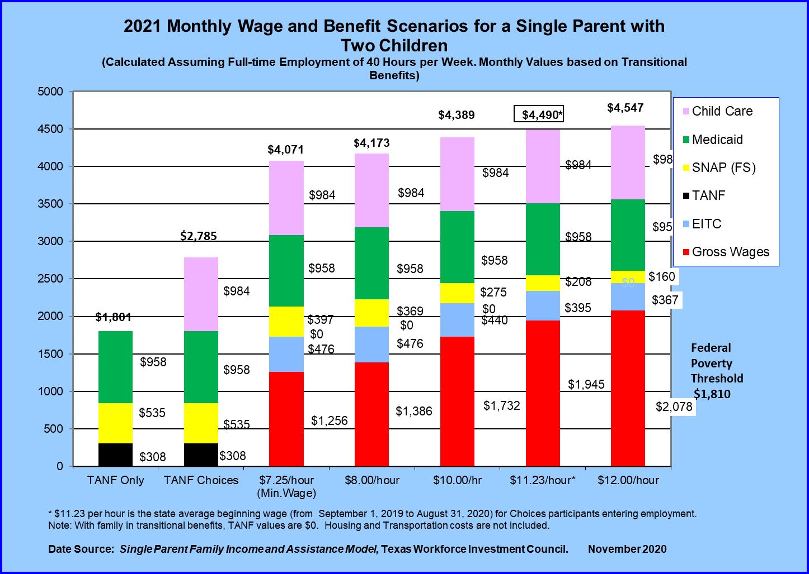

2021 TANF Recipient Monthly Wage Benefit Scenario for a Single Parent with Two Children Calculated Assuming Full-Time Employment of 40 Hours per Week. Monthly values are based on Transitional Benefits.
Tanf Recipient Hourly Benefit by Hourly Wage | TANF Only | TANF Choices | $ 7.25 Hr (Min Wage) | $ 8.00 Hr | $ 10.00 Hr | $ 11.23 Hr | $ 12.00 Hr
Child Care | $- | $984 | $984 | $984 | $984 | $984 | $984
Medicaid | $958 | $958 | $958 | $958 | $958 | $958 | $958
SNAP Benefit | $535 | $535 | $397 | $369 | $275 | $208 | $160
TANF Benefit | $308 | $308 | $- | $- | $- | $- | $-
Earned Income Tax Credit (EITC) | $- |  | $476 | $476 | $440 | $395 | $367
Gross Wages | $- |  | $1,256 | $1,386 | $1,732 | $1,945 | $2,078
Totals | $1,801 | $2,785 | $4,071 | $4,173 | $4,389 | $4,490 | $4,547
Note: Based on Minimum wage of $7.25 Hour. $11.23 per hour is the state average beginning wage (from September 1, 2019 to August 31, 2020) for Choices participants entering employment. With families in transitional benefits, TANF values are $0. Housing and Transportation costs are not included. The federal poverty threshold is $1,810 monthly.
Data Source: Single Parent Family Income and Assistance Model, Texas Workforce Investment Council. Created November 2020
Table of Contents
End of Worksheet

Tanf_Recipient_Hourly
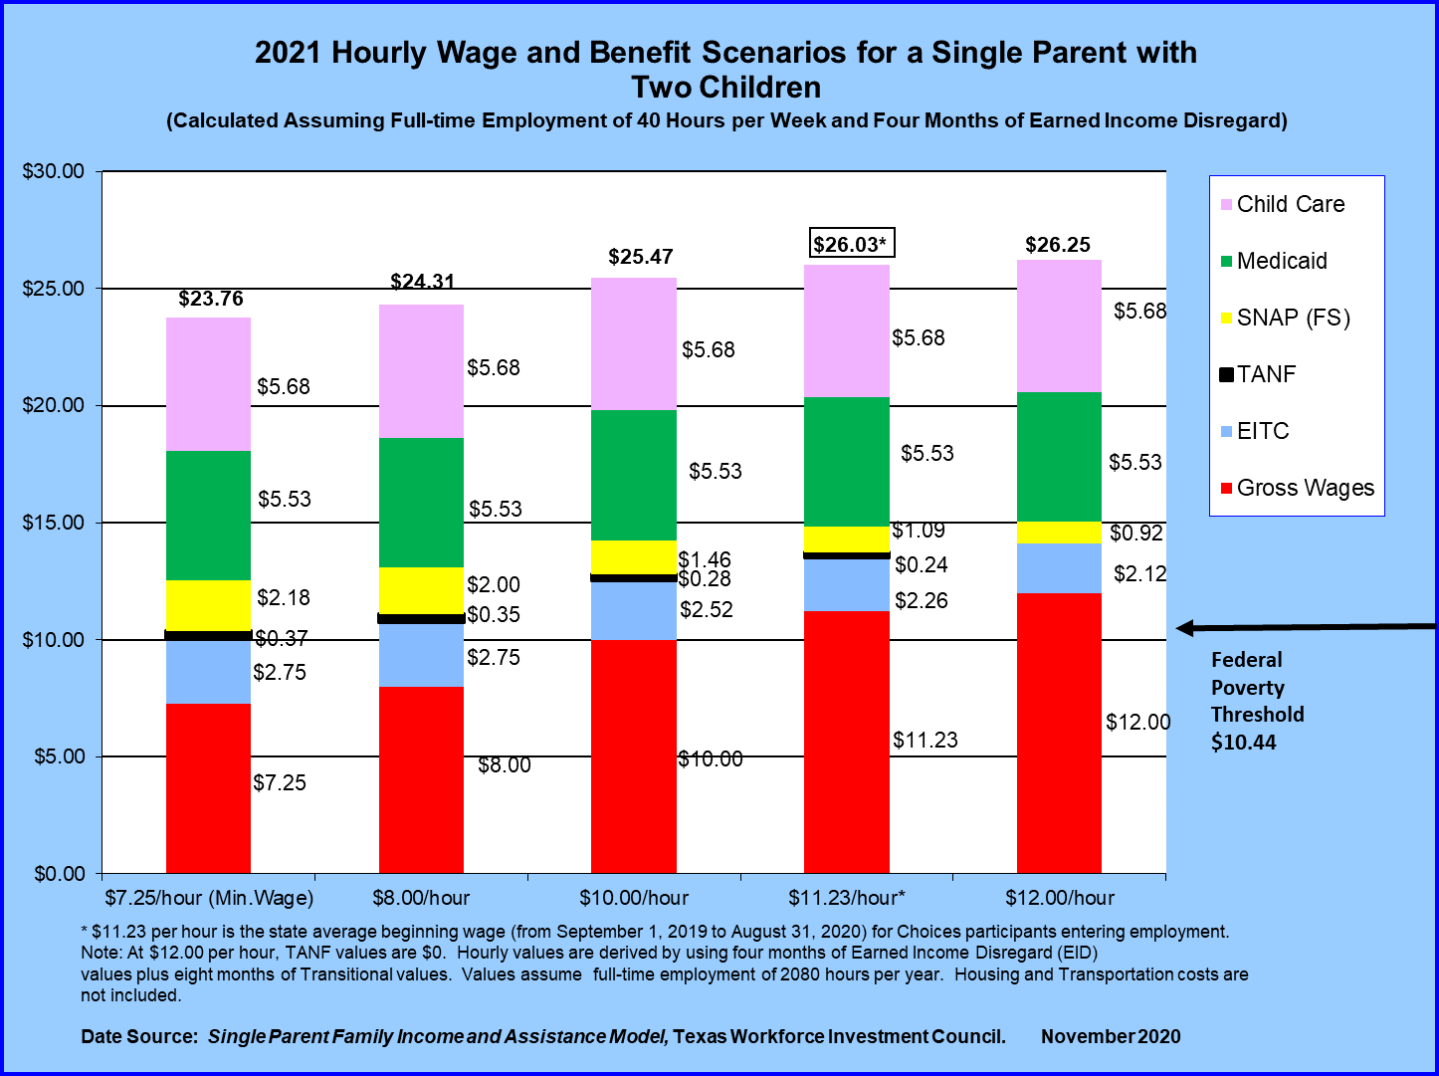

2021 TANF Recipient Hourly Wage Benefit Scenario for a Single Parent with Two Children Calculated Assuming Full-Time Employment of 40 Hours per Week and 4 months of Earned Income Disregard
Tanf Recipient Hourly Benefit by Hourly Wage | $ 7.25 Hr (Minimum Wage) | $ 8.00 Hr | $10.00 Hr | $ 11.23 Hr | $ 12.00 Hr
Child Care | $5.68 | $5.68 | $5.68 | $5.68 | $5.68
Medicaid | $5.53 | $5.53 | $5.53 | $5.53 | $5.53
SNAP Benefit | $2.18 | $2.00 | $1.46 | $1.09 | $0.92
TANF Benefit | $0.37 | $0.35 | $0.28 | $0.24 | $-
Earned Income Tax Credit (EITC) | $2.75 | $2.75 | $2.52 | $2.26 | $2.12
Gross Wages | $7.25 | $8.00 | $10.00 | $11.23 | $12.00
Totals | $23.76 | $24.31 | $25.47 | $26.03 | $26.25
Note: Based on Minimum wage of $7.25 Hour. $11.23 per hour is the state average beginning wage (from September 1, 2019 to August 31, 2020) for Choices participants entering employment. At $12.00 per hour, TANF values are $0. Hourly values are derived by using four month of Earned Income Disregard (EID) values plus eight months of Transitional values. Values assume full time employment of 2080 hours per year. Housing and Transportation costs are not included. The federal poverty threshold is $10.44 an hour.
Data Source: Single Parent Family Income and Assistance Model, Texas Workforce Investment Council. Created November 2020
Table of Contents
End of Worksheet

Tanf_Applicant_Annual
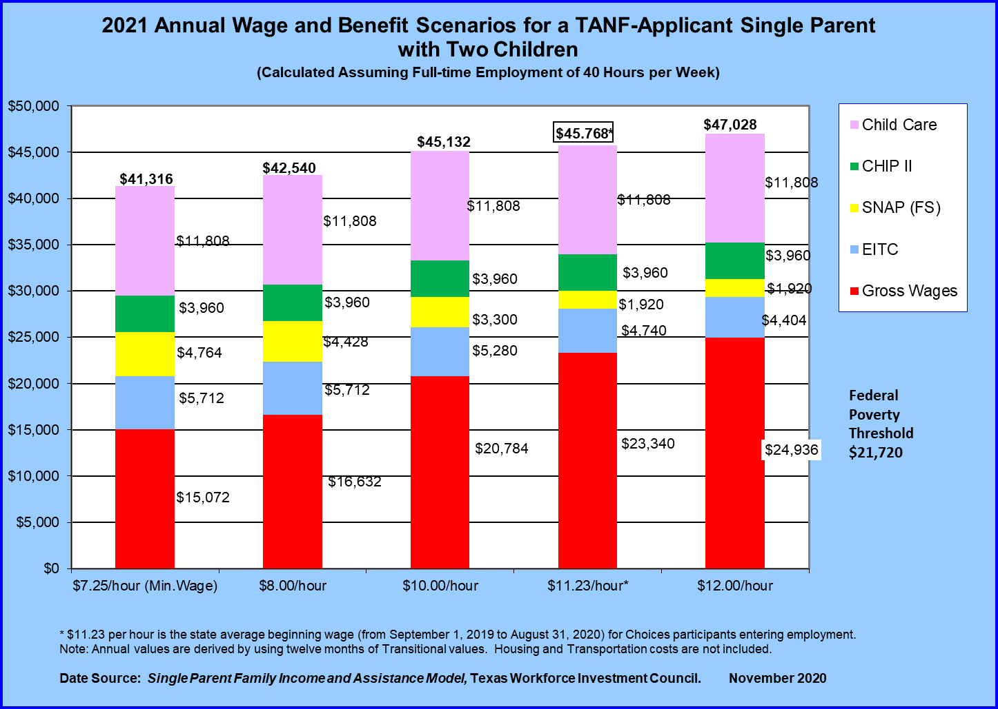

2021 TANF Applicant Annual Wage Benefit Scenario for a Single Parent with Two Children Calculated Assuming Full-Time Employment of 40 Hours per Week
Tanf Applicant Annual Benefit by Hourly Wage | 7.25 Hour Minimum Wage | $8.00 Hr | $ 10.00 Hr | $ 11.23 Hr | $ 12.00 Hr
Child Care | $11,808 | $11,808 | $11,808 | $11,808 | $11,808
CHIPP II | $3,960 | $3,960 | $3,960 | $3,960 | $3,960
SNAP Benefit | $4,764 | $4,428 | $3,300 | $1,920 | $1,920
Earned Income Tax Credit (EITC) | $5,712 | $5,712 | $5,280 | $4,740 | $4,404
Gross Wages | $15,072 | $16,632 | $20,784 | $23,340 | $24,936
Totals | $41,316 | $42,540 | $45,132 | $45,768 | $47,028
Note: Based on Minimum wage of $7.25 Hour. $11.23 per hour is the state average beginning wage (from September 1, 2019 to August 31, 2020) for Choices participants entering employment. Annual values are derived by using twelve months of Transitional values. Housing and Transportation costs are not included. The federal poverty threshold is $21,720 annually.
Data Source: Single Parent Family Income and Assistance Model, Texas Workforce Investment Council. Created November 2020
Table of Contents
End of Worksheet

Tanf_Applicant_Monthly
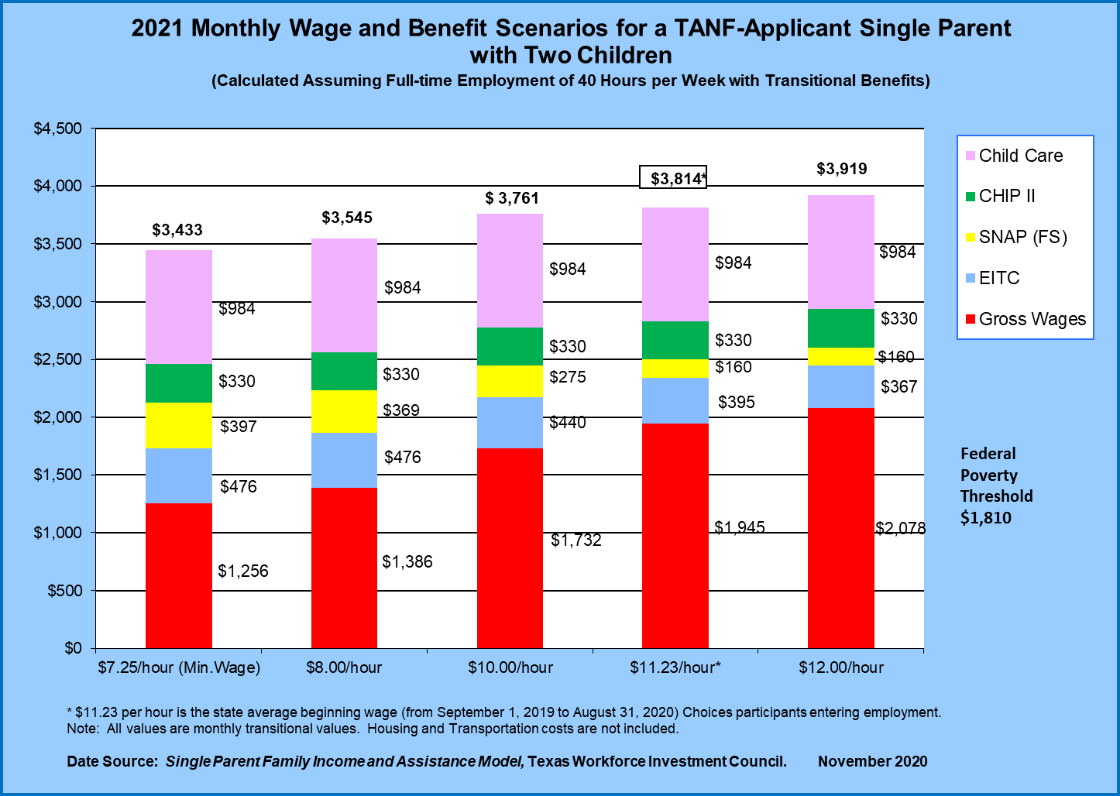

2021 TANF Applicant Monthly Wage Benefit Scenario for a Single Parent with Two Children Calculated Assuming Full-Time Employment of 40 Hours per Week with Transitional Benefits
Tanf Applicant Hourly Benefit by Hourly Wage | $ 7.25 Hr (Min Wage) | $ 8.00 Hr | $ 10.00 Hr | $ 11.23 Hr | $ 12.00 Hr
Child Care | $984 | $984 | $984 | $984 | $984
CHIPP II | $330 | $330 | $330 | $330 | $330
SNAP Benefit | $397 | $369 | $275 | $160 | $160
Earned Income Tax Credit (EITC) | $476 | $476 | $440 | $395 | $367
Gross Wages | $1,256 | $1,386 | $1,732 | $1,945 | $2,078
Totals | $3,443 | $3,545 | $3,761 | $3,814 | $3,919
Note: Based on Minimum wage of $7.25 Hour. $11.23 per hour is the state average beginning wage (from September 1, 2019 to August 31, 2020) for Choices participants entering employment. All values are monthly transitional values. Housing and Transportation costs are not included. The federal poverty threshold is $1,810 monthly.
Data Source: Single Parent Family Income and Assistance Model, Texas Workforce Investment Council. Created November 2020
Table of Contents
End of Worksheet

Tanf_Applicant_Hourly
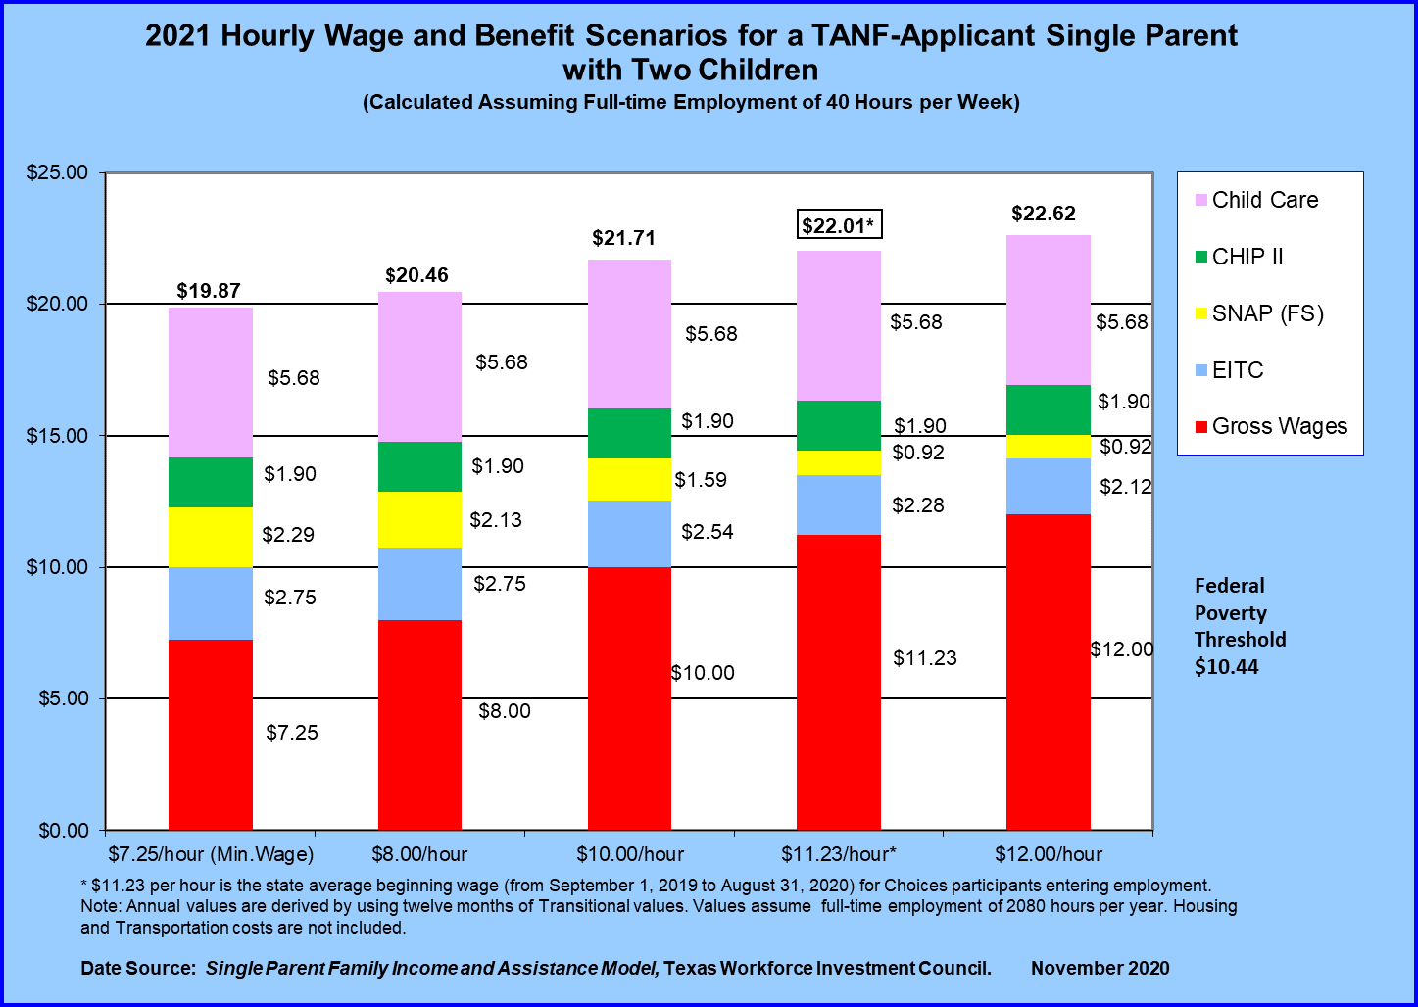

2020 TANF Applicant Hourly Wage Benefit Scenario for a Single Parent with Two Children Calculated Assuming Full-Time Employment of 40 Hours per Week
Tanf Applicant Hourly Benefit by Hourly Wage | $ 7.25 Hr (Min Wage) | $ 8.00 Hr | $ 10.00 Hr | $ 11.23 Hr | $ 12.00 Hr
Child Care | $5.68 | $5.68 | $5.68 | $5.68 | $5.68
CHIPP II | $1.90 | $1.90 | $1.90 | $1.90 | $1.90
SNAP Benefit | $2.29 | $2.13 | $1.59 | $0.92 | $0.92
Earned Income Tax Credit (EITC) | $2.75 | $2.75 | $2.54 | $2.28 | $2.12
Gross Wages | $7.25 | $8.00 | $10.00 | $11.23 | $12.00
Totals | $19.87 | $20.46 | $21.71 | $22.01 | $22.62
Note: Based on Minimum wage of $7.25 Hour. $11.23 per hour is the state average beginning wage (from September 1, 2019 to August 31, 2020) for Choices participants entering employment. Annual values are derived by using twelve months of Transitional values. Values assume full-time employment of 2080 hours per year. Housing and Transportation costs are not included. The federal poverty threshold is $11.23 an hour.
Data Source: Single Parent Family Income and Assistance Model, Texas Workforce Investment Council. Created December November 2020
Table of Contents
End of Worksheet

